p
 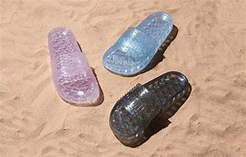  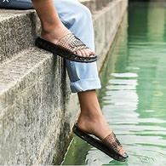 |  |  |  |  |  |  | 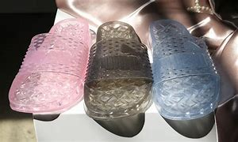  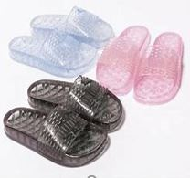

Image | Range Name | Grade | Stock Code | Gender | Size Code | Total Free Stock | E | 3 | 3.5 | 4 | 4.5 | 5 | 5.5 | 6 | 6.5 | 7 | 7.5 | 8 | 8.5 | 9 | 9.5 | 10
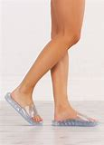 | PUMA (12) Jelly Slide Wns Fenty | A | 365773-01 | W | UK | 1509 | E | 319 |  | 421 |  | 362 |  | 238 |  | 163 |  | 6
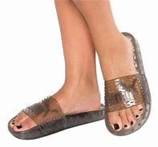 | PUMA (6) Jelly Slide fenty | A | 365773-02 | W | UK | 6082 | E | 1127 |  | 1802 |  | 1952 |  | 1536 |  | 740 |  | 202
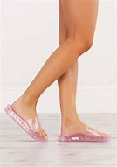 | PUMA (F5) Jelly Slide W'S FENTY | A | 365773-05 | W | UK | 1887 | E | 358 |  | 486 |  | 500 |  | 326 |  | 212 |  | 5
 |  |  | Totals |  |  | 9478 |  | 1804 |  | 2709 |  | 2814 |  | 2100 |  | 1115 |  | 213

